Daily Power Station Chart_14-01
Plant_12/07/2025Chart

Plant:odco1 |  |  | Installed Capacity:111.180kWp
Today Yield(kWh):589.800kWh |  | Today Earning:235920.000TND |  | Today Full Load Hours(h):5.30h

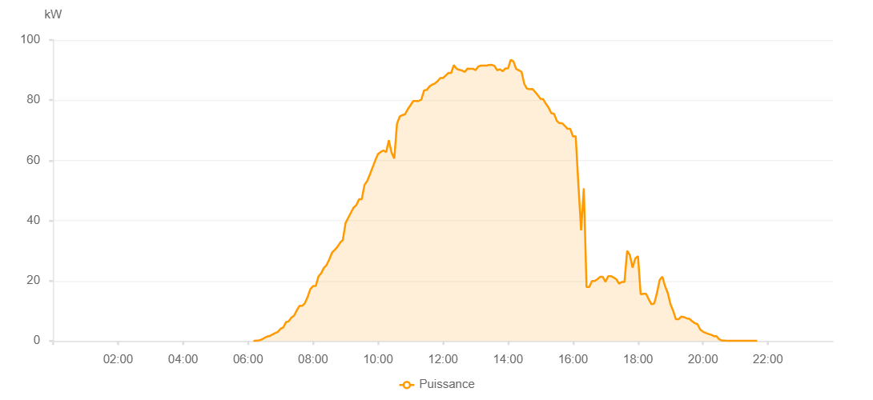

Number | Time | Working State | PV(W) | Instantaneous Radiation(W/㎡)
1 | 06:10:00 | Online | 20.00000 | 0
2 | 06:15:00 | Online | 130.00000 | 0
3 | 06:20:00 | Online | 210.00000 | 0
4 | 06:25:00 | Online | 480.00000 | 3.00000
5 | 06:30:00 | Online | 1000.00000 | 6.00000
6 | 06:35:00 | Online | 1460.00000 | 9.00000
7 | 06:40:00 | Online | 1660.00000 | 14.00000
8 | 06:45:00 | Online | 2160.00000 | 18.00000
9 | 06:50:00 | Online | 2610.00000 | 25.00000
10 | 06:55:00 | Online | 3010.00000 | 33.00000
11 | 07:00:00 | Online | 4060.00000 | 41.00000
12 | 07:05:00 | Online | 4480.00000 | 49.00000
13 | 07:10:00 | Online | 6260.00000 | 60.00000
14 | 07:15:00 | Online | 6540.00000 | 72.00000
15 | 07:20:00 | Online | 7800.00000 | 86.00000
16 | 07:25:00 | Online | 8450.00000 | 100.00000
17 | 07:30:00 | Online | 10170.00000 | 110.00000
18 | 07:35:00 | Online | 11680.00000 | 123.00000
19 | 07:40:00 | Online | 11680.00000 | 141.00000
20 | 07:45:00 | Online | 12600.00000 | 159.00000
21 | 07:50:00 | Online | 14590.00000 | 174.00000
22 | 07:55:00 | Online | 17260.00000 | 192.00000
23 | 08:00:00 | Online | 18260.00000 | 211.00000
24 | 08:05:00 | Online | 18260.00000 | 225.00000
25 | 08:10:00 | Online | 21450.00000 | 242.00000
26 | 08:15:00 | Online | 22480.00000 | 256.00000
27 | 08:20:00 | Online | 24270.00000 | 276.00000
28 | 08:25:00 | Online | 25240.00000 | 293.00000
29 | 08:30:00 | Online | 27130.00000 | 311.00000
30 | 08:35:00 | Online | 29310.00000 | 326.00000
31 | 08:40:00 | Online | 30270.00000 | 344.00000
32 | 08:45:00 | Online | 31260.00000 | 360.00000
33 | 08:50:00 | Online | 32650.00000 | 375.00000
34 | 08:55:00 | Online | 33590.00000 | 384.00000
35 | 09:00:00 | Online | 39170.00000 | 403.00000
36 | 09:05:00 | Online | 40930.00000 | 422.00000
37 | 09:10:00 | Online | 42660.00000 | 437.00000
38 | 09:15:00 | Online | 44340.00000 | 456.00000
39 | 09:20:00 | Online | 45160.00000 | 473.00000
40 | 09:25:00 | Online | 47080.00000 | 490.00000
41 | 09:30:00 | Online | 47080.00000 | 507.00000
42 | 09:35:00 | Online | 51860.00000 | 523.00000
43 | 09:40:00 | Online | 53150.00000 | 536.00000
44 | 09:45:00 | Online | 55350.00000 | 551.00000
45 | 09:50:00 | Online | 57720.00000 | 569.00000
46 | 09:55:00 | Online | 60040.00000 | 585.00000
47 | 10:00:00 | Online | 62130.00000 | 598.00000
48 | 10:05:00 | Online | 62820.00000 | 621.00000
49 | 10:10:00 | Online | 63320.00000 | 634.00000
50 | 10:15:00 | Online | 62730.00000 | 642.00000
51 | 10:20:00 | Online | 66700.00000 | 658.00000
52 | 10:25:00 | Online | 62600.00000 | 671.00000
53 | 10:30:00 | Online | 60630.00000 | 588.00000
54 | 10:35:00 | Online | 72110.00000 | 633.00000
55 | 10:40:00 | Online | 74600.00000 | 691.00000
56 | 10:45:00 | Online | 75030.00000 | 718.00000
57 | 10:50:00 | Online | 75350.00000 | 726.00000
58 | 10:55:00 | Online | 77020.00000 | 741.00000
59 | 11:00:00 | Online | 78350.00000 | 750.00000
60 | 11:05:00 | Online | 79740.00000 | 760.00000
61 | 11:10:00 | Online | 79730.00000 | 776.00000
62 | 11:15:00 | Online | 79730.00000 | 778.00000
63 | 11:20:00 | Online | 80220.00000 | 795.00000
64 | 11:25:00 | Online | 83230.00000 | 800.00000
65 | 11:30:00 | Online | 83420.00000 | 814.00000
66 | 11:35:00 | Online | 84550.00000 | 820.00000
67 | 11:40:00 | Online | 85190.00000 | 834.00000
68 | 11:45:00 | Online | 85560.00000 | 832.00000
69 | 11:50:00 | Online | 86310.00000 | 836.00000
70 | 11:55:00 | Online | 87390.00000 | 849.00000
71 | 12:00:00 | Online | 87390.00000 | 854.00000
72 | 12:05:00 | Online | 88190.00000 | 852.00000
73 | 12:10:00 | Online | 89040.00000 | 775.00000
74 | 12:15:00 | Online | 89040.00000 | 871.00000
75 | 12:20:00 | Online | 91660.00000 | 889.00000
76 | 12:25:00 | Online | 90480.00000 | 884.00000
77 | 12:30:00 | Online | 90090.00000 | 811.00000
78 | 12:35:00 | Online | 89880.00000 | 880.00000
79 | 12:40:00 | Online | 89380.00000 | 877.00000
80 | 12:45:00 | Online | 90470.00000 | 887.00000
81 | 12:50:00 | Online | 90460.00000 | 881.00000
82 | 12:55:00 | Online | 90460.00000 | 896.00000
83 | 13:00:00 | Online | 89990.00000 | 883.00000
84 | 13:05:00 | Online | 91160.00000 | 878.00000
85 | 13:10:00 | Online | 91520.00000 | 898.00000
86 | 13:15:00 | Online | 91480.00000 | 888.00000
87 | 13:20:00 | Online | 91500.00000 | 899.00000
88 | 13:25:00 | Online | 91710.00000 | 880.00000
89 | 13:30:00 | Online | 91730.00000 | 880.00000
90 | 13:35:00 | Online | 91380.00000 | 889.00000
91 | 13:40:00 | Online | 89970.00000 | 876.00000
92 | 13:45:00 | Online | 90280.00000 | 863.00000
93 | 13:50:00 | Online | 89630.00000 | 862.00000
94 | 13:55:00 | Online | 90560.00000 | 869.00000
95 | 14:00:00 | Online | 90560.00000 | 865.00000
96 | 14:05:00 | Online | 93370.00000 | 486.00000
97 | 14:10:00 | Online | 92940.00000 | 873.00000
98 | 14:15:00 | Online | 90410.00000 | 858.00000
99 | 14:20:00 | Online | 89960.00000 | 818.00000
100 | 14:25:00 | Online | 89440.00000 | 813.00000
101 | 14:30:00 | Online | 85450.00000 | 739.00000
102 | 14:35:00 | Online | 83830.00000 | 791.00000
103 | 14:40:00 | Online | 83670.00000 | 788.00000
104 | 14:45:00 | Online | 83740.00000 | 777.00000
105 | 14:50:00 | Online | 82790.00000 | 772.00000
106 | 14:55:00 | Online | 81640.00000 | 765.00000
107 | 15:00:00 | Online | 80450.00000 | 750.00000
108 | 15:05:00 | Online | 80320.00000 | 743.00000
109 | 15:10:00 | Online | 78800.00000 | 728.00000
110 | 15:15:00 | Online | 77520.00000 | 716.00000
111 | 15:20:00 | Online | 75700.00000 | 686.00000
112 | 15:25:00 | Online | 75470.00000 | 685.00000
113 | 15:30:00 | Online | 73200.00000 | 667.00000
114 | 15:35:00 | Online | 72330.00000 | 663.00000
115 | 15:40:00 | Online | 72330.00000 | 651.00000
116 | 15:45:00 | Online | 71470.00000 | 634.00000
117 | 15:50:00 | Online | 70480.00000 | 619.00000
118 | 15:55:00 | Online | 70480.00000 | 616.00000
119 | 16:00:00 | Online | 67970.00000 | 616.00000
120 | 16:05:00 | Online | 68030.00000 | 619.00000
121 | 16:10:00 | Online | 51820.00000 | 620.00000
122 | 16:15:00 | Online | 36790.00000 | 417.00000
123 | 16:20:00 | Online | 50710.00000 | 542.00000
124 | 16:25:00 | Online | 17970.00000 | 585.00000
125 | 16:30:00 | Online | 17920.00000 | 167.00000
126 | 16:35:00 | Online | 19930.00000 | 180.00000
127 | 16:40:00 | Online | 19930.00000 | 179.00000
128 | 16:45:00 | Online | 20530.00000 | 348.00000
129 | 16:50:00 | Online | 21310.00000 | 191.00000
130 | 16:55:00 | Online | 21310.00000 | 198.00000
131 | 17:00:00 | Online | 19650.00000 | 180.00000
132 | 17:05:00 | Online | 21540.00000 | 168.00000
133 | 17:10:00 | Online | 21540.00000 | 199.00000
134 | 17:15:00 | Online | 21100.00000 | 186.00000
135 | 17:20:00 | Online | 20530.00000 | 179.00000
136 | 17:25:00 | Online | 19030.00000 | 172.00000
137 | 17:30:00 | Online | 19600.00000 | 157.00000
138 | 17:35:00 | Online | 19600.00000 | 159.00000
139 | 17:40:00 | Online | 29960.00000 | 291.00000
140 | 17:45:00 | Online | 28520.00000 | 305.00000
141 | 17:50:00 | Online | 24370.00000 | 153.00000
142 | 17:55:00 | Online | 27440.00000 | 239.00000
143 | 18:00:00 | Online | 28150.00000 | 151.00000
144 | 18:05:00 | Online | 15510.00000 | 134.00000
145 | 18:10:00 | Online | 15680.00000 | 196.00000
146 | 18:15:00 | Online | 15680.00000 | 132.00000
147 | 18:20:00 | Online | 13810.00000 | 122.00000
148 | 18:25:00 | Online | 12200.00000 | 111.00000
149 | 18:30:00 | Online | 12490.00000 | 104.00000
150 | 18:35:00 | Online | 15900.00000 | 107.00000
151 | 18:40:00 | Online | 20240.00000 | 149.00000
152 | 18:45:00 | Online | 21400.00000 | 166.00000
153 | 18:50:00 | Online | 18210.00000 | 155.00000
154 | 18:55:00 | Online | 15970.00000 | 121.00000
155 | 19:00:00 | Online | 12210.00000 | 103.00000
156 | 19:05:00 | Online | 9980.00000 | 87.00000
157 | 19:10:00 | Online | 7230.00000 | 66.00000
158 | 19:15:00 | Online | 7230.00000 | 56.00000
159 | 19:20:00 | Online | 8130.00000 | 56.00000
160 | 19:25:00 | Online | 7920.00000 | 52.00000
161 | 19:30:00 | Online | 7520.00000 | 48.00000
162 | 19:35:00 | Online | 7360.00000 | 46.00000
163 | 19:40:00 | Online | 6590.00000 | 44.00000
164 | 19:45:00 | Online | 5950.00000 | 41.00000
165 | 19:50:00 | Online | 5580.00000 | 36.00000
166 | 19:55:00 | Online | 3800.00000 | 34.00000
167 | 20:00:00 | Online | 3100.00000 | 28.00000
168 | 20:05:00 | Online | 2690.00000 | 24.00000
169 | 20:10:00 | Online | 2340.00000 | 20.00000
170 | 20:15:00 | Online | 2100.00000 | 17.00000
171 | 20:20:00 | Online | 1610.00000 | 13.00000
172 | 20:25:00 | Online | 1610.00000 | 9.00000
173 | 20:30:00 | Online | 560.00000 | 6.00000
174 | 20:35:00 | Online | 160.00000 | 3.00000
175 | 20:40:00 | Online | 150.00000 | 2.00000
176 | 20:45:00 | Online | 40.00000 | 0
177 | 20:50:00 | Online | 40.00000 | 0
178 | 20:55:00 | Online | 40.00000 | 0
179 | 21:00:00 | Online | 40.00000 | 0
180 | 21:05:00 | Online | 40.00000 | 0
181 | 21:10:00 | Online | 40.00000 | 0
182 | 21:15:00 | Online | 40.00000 | 0
183 | 21:20:00 | Online | 50.00000 | 0
184 | 21:25:00 | Online | 40.00000 | 0
185 | 21:30:00 | Online | 40.00000 | 0
186 | 21:35:00 | Online | 40.00000 | 0
187 | 21:40:00 | Online | 40.00000 | 0
188 | 22:00:00 | Online | 0.00001 | 0.00001

